Questions
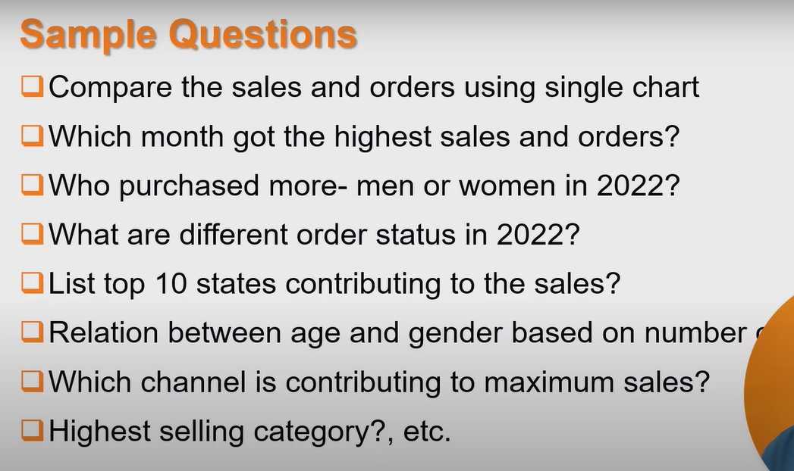

Salse vs Order
Salse Vs Order
1) Compare the sales and orders using single chart
2)which month got the highest sales and order
Row Labels | Sum of Amount | Count of Order ID
Jan | 42870 | 62
Feb | 38369 | 57
Mar | 39481 | 62
Apr | 31988 | 45
May | 22091 | 31
Jun | 20158 | 30
Jul | 22481 | 31
Aug | 18986 | 31
Sep | 20250 | 30
Oct | 21353 | 31
Nov | 18276 | 30
Dec | 39832 | 59

Men vs Women
3) Who purcharsed more-men or women in 2024

sales:-Men vs Women
Row Labels | Sum of Amount
Men | 87630
Women | 248505

Order Status
1) what are different order status in 2024?
Order Stastus
Row Labels | Count of Order ID
Cancelled | 17
Delivered | 451
Refunded | 7
Returned | 24

sales top 10 states
1) list top 10 states contributing to the sales
Total top 10 states
Row Labels | Sum of Amount
MAHARASHTRA | 46517
KARNATAKA | 43683
TELANGANA | 36477
UTTAR PRADESH | 27896
TAMIL NADU | 26266
DELHI | 18803
KERALA | 16130
WEST BENGAL | 14361
HARYANA | 14113
BIHAR | 11125

age and gender
1) Relation between age and gender based on number oreder

Count of Order ID | Column Labels
Row Labels | Men | Women
Adult | 11.02% | 39.68%
Senior | 5.41% | 15.03%
Teenger | 6.21% | 22.65%

Channel
Row Labels | Count of Order ID
Ajio | 7.21%
Amazon | 32.46%
Flipkart | 21.64%
Meesho | 4.41%
Myntra | 24.25%
Nalli | 4.21%
Others | 5.81%

New Trend store report chat
New Trend Store Annual Report 2024

Salse Vs Order
 | Sum of Amount | Count of Order ID
Jan | 42870 | 62
Feb | 38369 | 57
Mar | 39481 | 62
Apr | 31988 | 45
May | 22091 | 31
Jun | 20158 | 30
Jul | 22481 | 31
Aug | 18986 | 31
Sep | 20250 | 30
Oct | 21353 | 31
Nov | 18276 | 30
Dec | 39832 | 59
sales:-Men vs Women
 | Total
Men | 87630
Women | 248505

Order Stastus
 | Total
Cancelled | 17
Delivered | 451
Refunded | 7
Returned | 24
Total top 10 states
 | Total
MAHARASHTRA | 46517
KARNATAKA | 43683
TELANGANA | 36477
UTTAR PRADESH | 27896
TAMIL NADU | 26266
DELHI | 18803
KERALA | 16130
WEST BENGAL | 14361
HARYANA | 14113
BIHAR | 11125

Order: channel
 | Total
Ajio | 7.21%
Amazon | 32.46%
Flipkart | 21.64%
Meesho | 4.41%
Myntra | 24.25%
Nalli | 4.21%
Others | 5.81%
Order: Age v/s Gender
 | Men | Women
Adult | 11.02% | 39.68%
Senior | 5.41% | 15.03%
Teenger | 6.21% | 22.65%

